1. Title Page
Instacart Customer Profiling Analysis

Project Name: Instacart Customer Profiling Analysis
Date: September 29, 2023
Analyst Name: Celine Terfloth

Contents:
Population Flow
Consistency checks
Wrangling steps
Column derivations
Visualizations
Recommendations

“The Instacart Online Grocery Shopping Dataset 2017”, Accessed from www.instacart.com/datasets/grocery-shopping-2017 via Kaggle on September 14, 2023.

2. Population Flow
Title page

Population flow

Exclusion flag
Condition: max_order < 5
Obervations to be removed: 1,440,295
Final total count of order_products_all: 30,964,564

Orders_products_combined
Orders_products_merged
Orders_products_all

Total: 32,404,859
Total: 32,434,489
Total: 32,404,859

1.) The grey boxes in the first row of the population flow represent the original data sets as they were when you downloaded them. In the Total fields you need to add the count of the rows when you imported the data set into Jupyter.
2.) The second row of boxes (coloured) represents the data sets after you manipulated them, e.g., removed missing values and duplicates. In the Total fields you need to add the count of the rows after conducting these operations. This offers a visual oveview of how the data flows throughout the data consistency checks.
3.) The third row, where also the arrows are coloured, represents the merges you performed between the datasets. In the Total fields you need to add the count of the rows in the merged datasets, so that you end up with the final dataset (in the red box). Keep in mind the final dataset should be without exclusions (based on the exclusion flag).

3. Consistency checks
 |  |  |  | Title page
Consistency checks

Dataset | Missing values | Missing values treatment | Duplicates
orders | days_since_prior_order | no treatment - these null values indicate customer has only placed one order | No full duplicates found
products | 16 in product_name | filtered out | 5 rows of full duplicates filtered out
orders_products_prior | none |  | No full duplicates found
customers | none |  | No full duplicates found
orders_products_all | check that missing values only occur when 'number_of_orders' = 1

4. Wrangling steps
 |  |  |  | Title page
Wrangling steps

Columns dropped | Columns renamed | Columns' type changed | Comment/Reason
eval_set |  |  | All values are 'prior'
_merge |  |  | All values are 'both'
aisle_id |  |  | not needed
 | order_dow -> order_day_of_week |  | dow not intuitive
 | order_number -> number_of_orders |  | sounds like order unique ID
 |  | order_id | from integer to string
 |  | user_id | from integer to string
 | Surnam->surname |  | fix spelling and format consistency
 | First name->first_name |  | format consistency
 | Gender->gender |  | format consistency
 | STATE->state |  | format consistency
 | Age->age |  | format consistency
 | n_dependants->number_dependants |  | more clear and format consistency
 | fam_status->family_status |  | more clear and format consistency
 |  | user_id | from integer to string
 |  | first_name | mixed type column fixed to string
first_name |  |  | PII resaons
last_name |  |  | PII reasons

5. Column derivations
 |  |  |  |  | Title page

Column derivations and aggregations

In this tab you should add tables below that the frequences of flags/label variables that you produced after deriving them. NB: don't do this for continuous variables, only for flags.
Dataset | New column | Column/s it was derived from | Conditions
orders_products_merged | busiest_day | orders_day_of_week | result = [] for value in df_merged["orders_day_of_week"]: if value == 0: result.append("Busiest day") elif value == 4: result.append("Least busy") else: result.append("Regularly busy")
orders_products_merged | busiest_period_of_day | order_hour_of_day | result = [] for value in df_merged["order_hour_of_day"]: if value in range(9,17): result.append("Most orders") elif value in [17,8,18,19,20,7,21,22]: result.append("Average orders") else: result.append("Fewest orders")
orders_products_merged | two_busiest_days | orders_day_of_week | result = [] for value in df_merged["orders_day_of_week"]: if value in [0,1]: result.append("Busiest days") elif value in [3,4]: result.append("Least busy days") else: result.append("Regularly busy")
orders_products_merged | order_frequency | median_Days_since_prior_order | ords_prods_merged.loc[ords_prods_merged['median_days_since_prior_order'] > 20, 'order_frequency'] = 'Non-frequent customer' ords_prods_merged.loc[(ords_prods_merged['median_days_since_prior_order'] > 10) & (ords_prods_merged['median_days_since_prior_order'] <= 20), 'order_frequency'] = 'Regular customer' ords_prods_merged.loc[ords_prods_merged['median_days_since_prior_order'] <=10, 'order_frequency'] = 'Frequent customer'
orders_products_merged | price_range_loc | prices | df_merged.loc[df_merged['prices'] > 15, 'price_range_loc'] = 'High-range product' df_merged.loc[(df_merged['prices'] <=15) & (df_merged['prices'] > 5), 'price_range_loc'] = 'Mid-range product' df_merged.loc[df_merged['prices'] <= 5, 'price_range_loc'] = 'Low-range product'
ords_prods_merged | loyalty_flag | max_order | ords_prods_merged.loc[ords_prods_merged['max_order'] > 40, 'loyalty_flag'] = 'Loyal customer' ords_prods_merged.loc[(ords_prods_merged['max_order'] <= 40) & (ords_prods_merged['max_order'] > 10), 'loyalty_flag'] = 'Regular customer' ords_prods_merged.loc[ords_prods_merged['max_order'] <= 10, 'loyalty_flag'] = 'New customer'
high_activity_customers | income_group | income | high_activity_customers.loc[high_activity_customers['income']<= 30000, 'income_group'] = '$0-$30,000' high_activity_customers.loc[(high_activity_customers['income']> 30000) & (high_activity_customers['age']<= 60000), 'income_group'] = '$30,000-$60,000' high_activity_customers.loc[(high_activity_customers['income']> 60000) & (high_activity_customers['age']<= 90000), 'income_group'] = '$60,000-$90,000' high_activity_customers.loc[(high_activity_customers['income']> 90000) & (high_activity_customers['age']<= 120000), 'income_group'] = '$90,000-$120,000' high_activity_customers.loc[(high_activity_customers['income']> 120000) & (high_activity_customers['age']<= 150000), 'income_group'] = '$120,000-$150,000' high_activity_customers.loc[high_activity_customers['income']> 150000, 'income_group'] = '$150,000+'
high_activity_customers | age_group | age | high_activity_customers.loc[high_activity_customers['age']<= 30, 'age_group'] = '18-30' high_activity_customers.loc[(high_activity_customers['age']> 30) & (high_activity_customers['age']<= 45), 'age_group'] = '30-45' high_activity_customers.loc[(high_activity_customers['age']> 45) & (high_activity_customers['age']<= 60), 'age_group'] = '45-60' high_activity_customers.loc[(high_activity_customers['age']> 60) & (high_activity_customers['age']<= 75), 'age_group'] = '60-75' high_activity_customers.loc[high_activity_customers['age']> 75, 'age_group'] = '75+'
ords_prods_clean | region | state | ords_prods_clean.loc[ords_prods_merge['state'].isin(northeast), 'region'] = 'Northeast' ords_prods_clean.loc[ords_prods_merge['state'].isin(midwest), 'region'] = 'Midwest' ords_prods_clean.loc[ords_prods_merge['state'].isin(south), 'region'] = 'South' ords_prods_clean.loc[ords_prods_merge['state'].isin(west), 'region'] = 'West'
ords_prods_merged | spending_category | average_spend | ords_prods_merged.loc[ords_prods_merged['average_spend'] < 10, 'spending_category'] = 'Low spender' ords_prods_merged.loc[ords_prods_merged['average_spend'] >= 10, 'spending_category'] = 'High spender'

order_frequency |  |  | income_group
Frequent customer 21559853 |  |  | 0-30,000 194132 |  | age_group
Regular customer 7208564 |  |  | 120,000-150,000 5284979 |  | 45-60 7284900
Non-frequent customer 3636437 |  |  | 150,000+ 3894534 |  | 30-45 7262817
Name: count, dtype: int64 |  |  | 30,000-60,000 5609169 |  | 60-75 7199207
 |  |  | 60,000-90,000 7331431 |  | 18-30 6304240
 |  |  | 90,000-120,000 8650319 |  | 75+ 2913400
 |  |  | Name: count, dtype: int64 |  | Name: count, dtype: int64

price_range_loc |  |  | loyalty_flag
Mid-range product 21860860 |  |  | Regular customer 15876776 | busiest_period_of_day
Low-range product 10126321 |  |  | Loyal customer 10284093 | Most orders 21118071
High-range product 417678 |  |  | New customer 6243990 | Average orders 9997651
Name: count, dtype: int64 |  |  | Name: count, dtype: int64 | Fewest orders 1289137
 |  |  |  | Name: count, dtype: int64

two_busiest_days |  |  | busiest_day
Regularly busy 12916111 |  |  | Regularly busy 22416875 | spending_category
Busiest days 11864412 |  |  | Busiest day 6204182 | Low spender 31770614
Least busy days 7624336 |  |  | Least busy 3783802 | High spender 634245
Name: count, dtype: int64 |  |  | Name: count, dtype: int64 | Name: count, dtype: int64

6. Visualizations
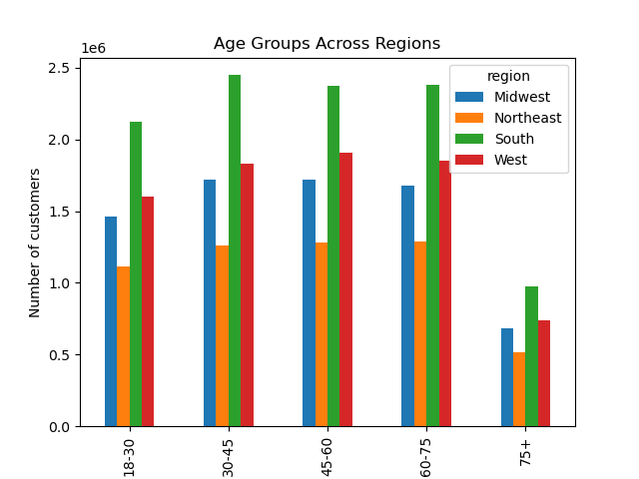
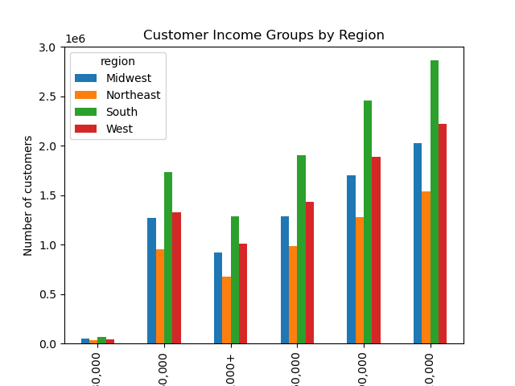
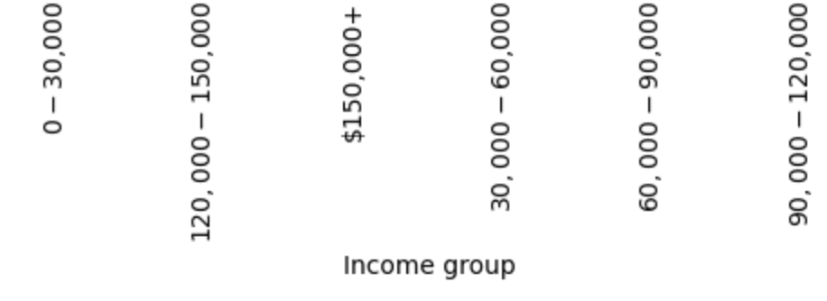
 |  |  |  |  |  |  | Title page

Visualisations

In this tab you should include all the visualtions from Exercises 4.9 and 4.10, alongside the questions from the project brief that they answer. Include any commentary on the relationship between different variables.

 | What are the busiest days of the week and hours of the day?
 | The busiest days of the week are Sunday and Monday. The busiest hours of the day are 10am - 3pm.



 | Are there are particular times of the day when people spend the most money?
 | The average product price is slightly higher before 10am, but it's marginal and should be tested.


What’s the distribution among users in regards to their brand loyalty (i.e., how often do they return to Instacart)?
 |  | Regular customers make up the largest loyalty group (followed by loyal customers, then new customers).

Regular customer
Loyal customer
New customer

Are there differences in ordering habits based on a customer’s region? |  |  |  |  |  | Most regions have about 98% low spenders. The midwest has the highest proportion of high spenders (2.05%).
 | region | High spender | Low spender | % High spender | % Low spender
 | Midwest | 155975 | 7441350 | 2.05% | 97.95%
 | Northeast | 108225 | 5614511 | 1.89% | 98.11%
 | South | 209691 | 10582194 | 1.94% | 98.06%
 | West | 160354 | 8132559 | 1.93% | 98.07%

Are there certain types of products that are more popular than others? |  |  |  |  |  | Produce is by far the most popular type of product.
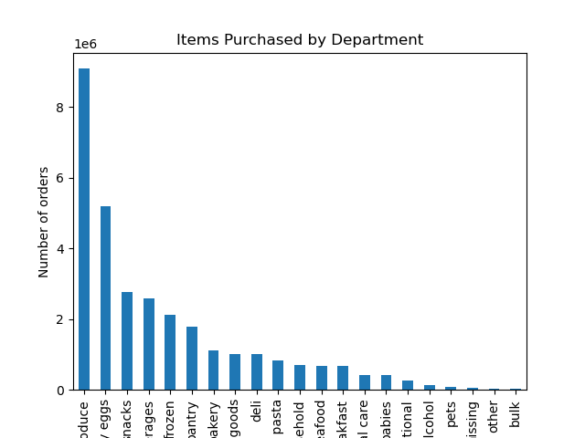

What different classifications does the demographic information suggest? Age? Income? Certain types of goods? Family status?
 |  | Upon first glance, general demographic information suggests that the vast majority of Instacart users are high-earning and middle-aged.
 |  | However, the largest single age-income group is users aged 18-30 earning $60,000-$90,000.
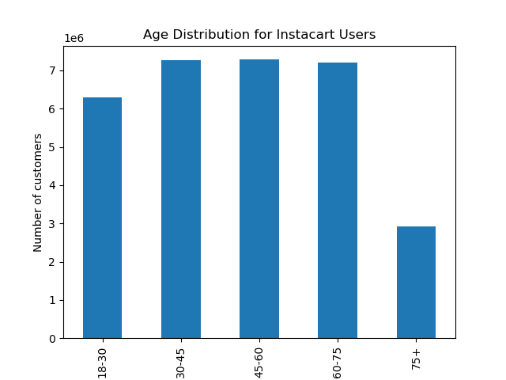
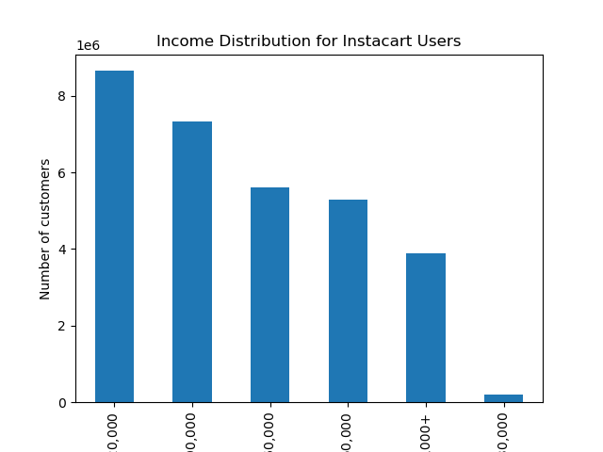
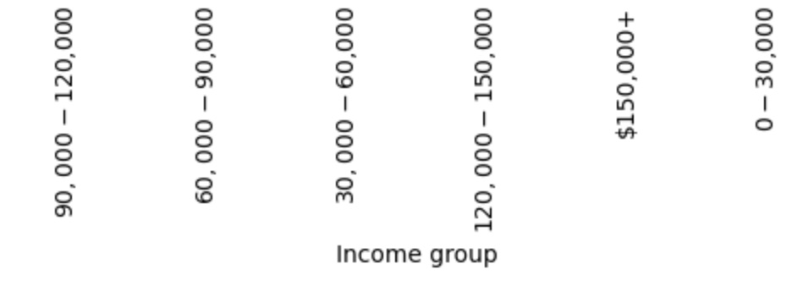
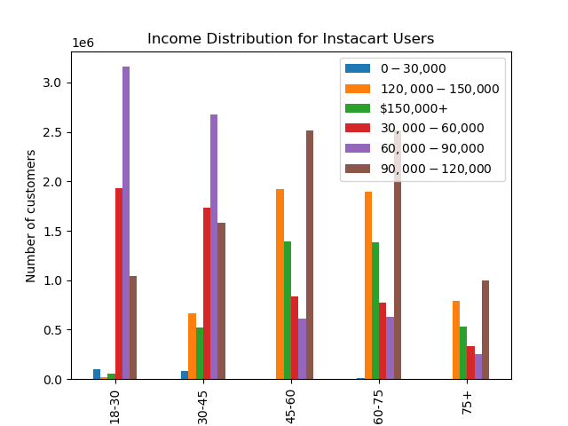
(By Age)

What differences can you find in ordering habits of different customer profiles? Consider the price of orders, the frequency of orders, the products customers are ordering, and anything else you can think of.

 |  | It seems that income influences what users order more than age. Department purchases by age group vary very little. There is much more variation when department purchases are broken down by income group!

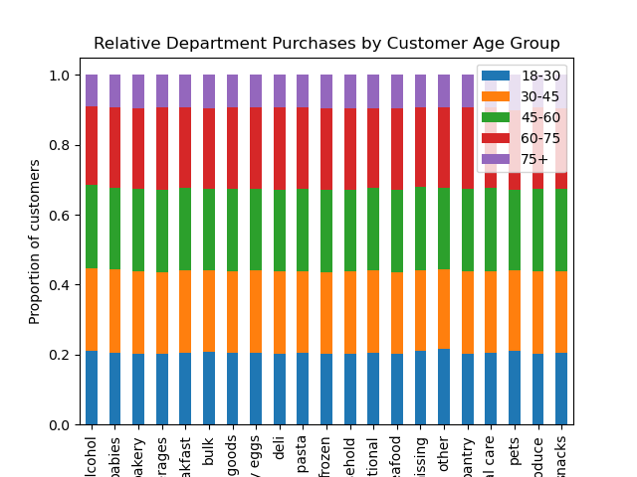
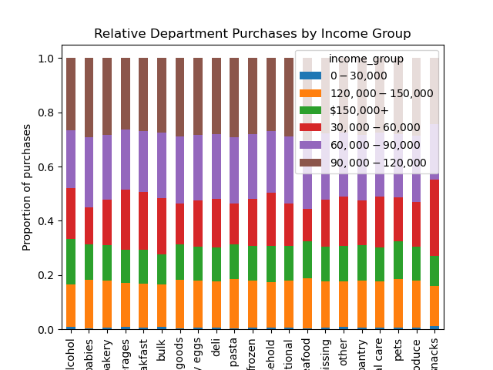

 |  | Customers from different regions seem to share similar demographic data (age and income status).

7. Recommendations
 |  |  | Title page

Recommendations

In this tab you should include any recommendations you would made to Instcart in terms of their marketing strategy based on the questions posed in the brief. Every key question has been covered in the Tasks of the Exercises - here you need to add an item - a visualisation or table/crosstable that is showing the answer in the data, acompanied by a comment from you. Please, list the questions below and add the answer underneath.

Question | Answer | Recommendation
What are the busiest days of the week and hours of the day? | The busiest days of the week are Sunday and Monday, and the busiest hours of the day are 10am-3pm. | The marketing team could run ads outside of these time frames, to encourage orders during other times of day.

Are there particular times of the day when people spend the most money? | There average ordered product price is slightly higher before 10am. | Run A/B test to test this hypothesis. Serve ads featuring more expensive products to a sample group during the morning, and test whether this group orders higher priced items when compared to control group.

Are there certain types of products that are more popular than others? | Produce is the most popular department. | Run a promotion where users get a deal off other departments (ie. Pasta) when they buy produce. This will encourage users to try other foods and increase sales of other departments.

What's the distribution among users in rehards to their brand loyalty? | Regular customers make up the largest loyalty group (followed by loyal customers, then new customers) | Incentivize regular customers to continue placing orders with referral bonuses, deals off subsequent orders, etc. This will shift more regular customers into the loyal customer group.

Are there differences in ordering habits based on a customer's region? | Most regions have about 98% low spenders. The midwest has the highest proportion of high spenders (2.05%). | Given that spending habits don't vary much between regions, ads don't have to be geotargeted.

What different classifications does the demographic information suggest? | The largest age-income group is users aged 18-30 earning $60,000-$90,000. | Push a large portion of ads to people aged 18-30 who are in the same income bracket to acquire more customers.

What differences can you find in ordering habits of different customer profiles? | Income seems to influence what types of products customers buy (more than other demographic factors, such as age) | Create targeted ads based on income group (for example: seafood for high income users, snacks for lower income users)

